Sheet1
 |  | Document No. | Issue No. | Issue Date |  |  | Review and Replace Date |  | Authorised By
 |  | GFF116MC | 1 | 05.09.2019 |  |  | New Issue |  | Magda Shah
 |  | Document Title | CHILLI CON CARNE WITH BROWN RICE 460g
Document amendments reason for change |  | New product launch |  |  | Previous Issue Date |  |  | New Issue | Uncontrolled copy unless signed original

FBBCR-R8TMC | MINDFUL CHEF |  | CHILLI CON CARNE WITH BROWN RICE 460g │ FROZEN
STEP 1 |  |  |  |  |  | STEP 3
 |  |  |  |  |  | 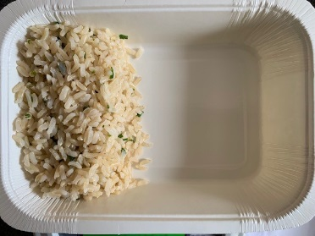

Tray: WHITE OVENABLE BOARD TRAY (PKSOU002-01) |  |  |  |  |  | Brown Rice (MC) (GFF255R): 110g
Film: 145 X 100 X 250 (PKWRA001-07)
STEP 4
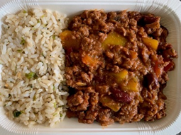 |  |  |  |  |  | 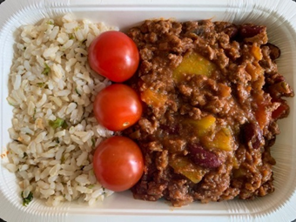

Beef and Bean Chilli (GFF272R) 305g |  |  |  |  |  | Tomato Cherry Whole (RTE) (RMIHF001-57) 45g |  |  |  | TOTAL WEIGHT: 460g

ALLERGY ALERT: SOYA

